CASE INPUTS

 | INSTRUCTIONS BEFORE STARTING THE SET UP
 | * SEND THE PROJECTIONS LOAD TO DMS. STEPS ON HOW TO DO IT IS ON TAB 6
 | * ENSURE THIS IS A REGULAR SET UP NOT A STATE SET UP
 | * ADD ALL NECESARRY INPUTS FIRST IN "CASE INPUTS" TAB
 | * COPY PASTE EXCEL FILE FROM CLIENT INTO "DATA" TAB

 | OBTAIN INPUTS FROM CASE DETAILS
CLOSING DATE | 2026-06-26
PROJECT STABILIZATION DATE | 2029-05-01
VCODE | westrmt
DATE TODAY | 07/30/2026
REGION
vVENDOR | mtbank | <-- GET Vvendor FOR LOAN LENDER IN VENDOR SCREEN IF NO vVENDOR IN VENDOR SCREEN ADD VENDOR AS LENDER
STATUS

RENTS REFERENCE
LI-Studio
LI-1BR
LI-2BR
LI-3BR
LI-4BR
LI-5BR
LI-6BR
LI-7BR
LI-8BR
LI-9BR
Mkt-Studio
Mkt-1BR
Mkt-2BR
Mkt-3BR
Mkt-4BR
Mkt-5BR
Mkt-6BR
Mkt-7BR
Mkt-8BR
Mkt-9BR
Converted
Efficiency
Employee
Manager
Other

6.TXFINANCIAL&INFLATOR (LOAD)
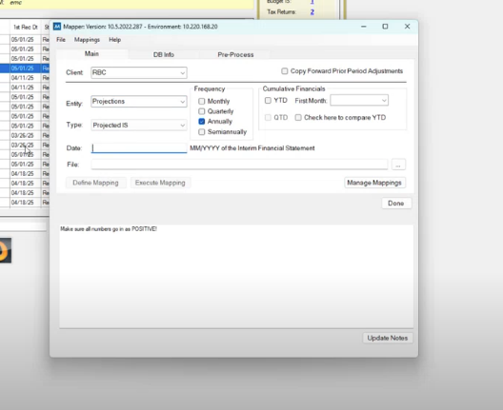
EXCEL MAIN |  |  |  |  |  |  |  | MAPPING PART SEND TO RBC.integratec.biz
 |  |  |  |  |  |  |  |  | SOP FOR SENDING PROJECTED IS LOAD TO DMS
 |  |  |  |  |  |  |  |  | Send First Response email to client + CC DMS ([RBC@integratec.biz]), Lindsey O'Connor, and Jessica Gouge

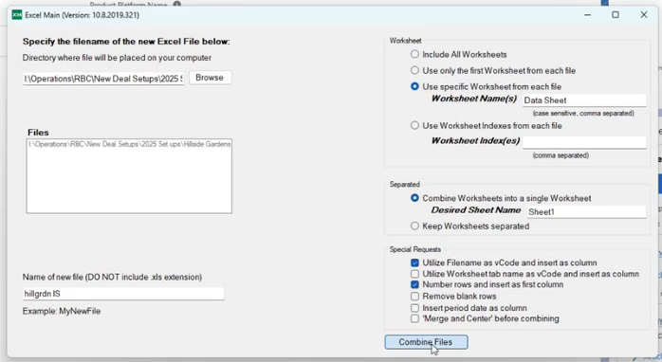
REFERENCE ON HOW TO SET UP EXCEL MAIN
 |  |  |  |  |  |  |  |  | EMAIL TEMPLATE
 |  |  |  |  |  |  |  |  | Hello, [Client]
 |  |  |  |  |  |  |  |  | I have confirmed that I have received all the necessary documentation to set up this deal. This setup will be completed within 5 business days.
 |  |  |  |  |  |  |  |  | Data Management Services (DMS) will complete the Projected IS load for this deal. This email sends the required data to their queue; the document is attached, and your RBC@integratec.biz address is included. Once my portion of the setup is complete, I will validate the DMS load before confirming full setup completion.
 |  |  |  |  |  |  |  |  | Thank you!

RENAME THE NEW FILE HERE

STEP 1
USE EXCEL MAIN TO ARRANGE THE DATA GIVEN BY CLIENT ( PROJECTED IS FILE)
A NEW FILE WILL BE CREATED WITH THE NAME THAT WAS INITIALY SET UP IN EXCEL MAIN APP

STEP 2
OPEN THE NEW FILE CREATED BY EXCEL MAIN
CREATE 2 NEW TABS TO PASTE THE DATA
FIRST TAB : TX FINANCIAL
SECOND TAB: INFLATOR

STEP 3 | TXFinancial |  |  |  |  |  | USE BATCH LOADER

COPY COLUMN C - H WITH HEADERS AND PASTE TO TX FINANCIAL TAB | vCode | dtEntry | vAccount | mAmount | iBook | iType | TO LOAD SLOW

STEP 4
COPY COLUMN O , P , Q & S RENAME HEADERS TO APPROPRIATE FORMAT | Inflator |  |  |  |  |  | USE BATCH LOADER
 | vCode | vType | dtInflator | nPercent |  |  | TO LOAD SLOW

STEP 5
USE THE FILE CREATED BY EXCEL MAIN APP AND SEND TO BATCH LOAD TO LOAD SLOW TXFINANCIAL AND INFLATOR

WORQ WILL BE HANDLED BY DMS
COPY COLUMN J - M WITH OUT HEADERS AND PASTE TO MAPPING TAB | Mapping | No Headers |  |  |  |  | USE WORK Q CENTRAL
 | Filter out and remove zeros, words and blanks |  |  |  |  |  | THIS WIL BE LOADED BY DMS

